Questions
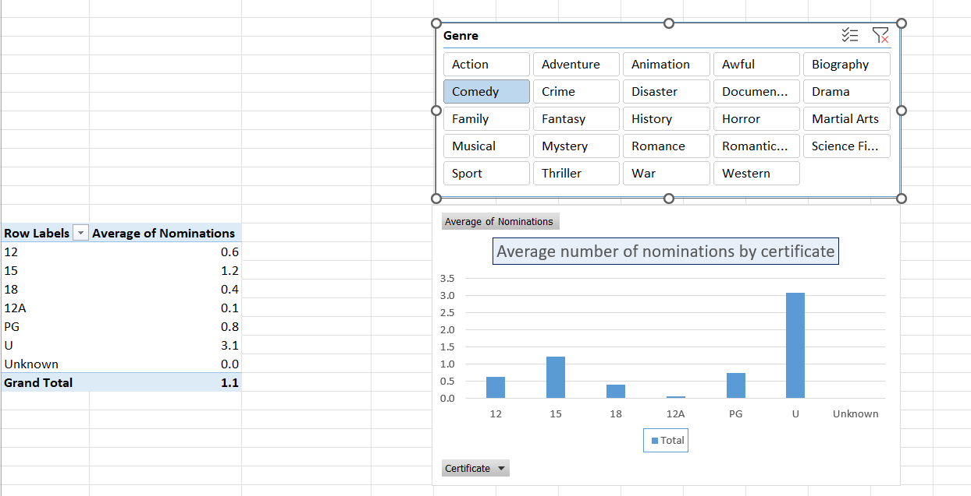
Open the workbook in the above folder, and create a pivot chart based upon the data showing the average number of Oscar nominations by certificate for any given genre

